1. Title Page
[Instacart Grocery Basket Analysis]

Project Name:
Date: 08.02.2023
Analyst Name: Til Emmerichs

Contents:
Population Flow
Consistency checks
Wrangling steps
Column derivations
Visualizations
Recommendations

“The Instacart Online Grocery Shopping Dataset 2017”, Accessed from https://www.instacart.com/datasets/grocery-shopping-2017 on 08.02.2023.
Data about customers and prices are made up and don't represent any real collected data.

2. Population Flow
Title page

Population flow

Exclusion flag
Condition: max_order <
Obervations to be removed:
Final total count of order_products_all:

Orders_products_combined
Orders_products_merged
Orders_products_all

Total: 32.404.859
Total: 32.434.489
Total: 30.964.564

1.) The grey boxes in the first row of the population flow represent the original data sets as they were when you downloaded them. In the Total fields you need to add the count of the rows when you imported the data set into Jupyter.
2.) The second row of boxes (coloured) represents the data sets after you manipulated them, e.g., removed missing values and duplicates. In the Total fields you need to add the count of the rows after conducting these operations. This offers a visual oveview of how the data flows throughout the data consistency checks.
3.) The third row, where also the arrows are coloured, represents the merges you performed between the datasets. In the Total fields you need to add the count of the rows in the merged datasets, so that you end up with the final dataset (in the red box). Keep in mind the final dataset should be without exclusions (based on the exclusion flag).

3. Consistency checks
 |  |  |  | Title page
Consistency checks

Dataset | Missing values | Missing values treatment | Duplicates
orders | 206.209 missing values in days_since_prior_order | The NULL values represent the reality and are therefore not treated
products | 16 missing values in prdocut name | Rows deleted | 5 duplicates rows deleted
orders_products_prior | 0 missing
customers | 0 missing

4. Wrangling steps
 |  |  |  | Title page
Wrangling steps

Columns dropped | Columns renamed | Columns' type changed | Comment/Reason
eval set |  |  | column was not relevant for analysis
 | from 'order_dow' in 'orders_day_of_the_week'
 |  | user_id --> string | Changed from 'int to 'str'
 |  | order_id --> string | Changed from 'int to 'str'
 |  | department df transposed
First_Name |  |  | Dropped due to PII
Surname

5. Column derivations
 |  |  |  | Title page

Column derivations and aggregations

In this tab you should add tables below that the frequences of flags/label variables that you produced after deriving them. NB: don't do this for continuous variables, only for flags.
Dataset | New column | Column/s it was derived from | Conditions
ords_prods_merge | price_range | prices | price <5 --> Low-range; 5<price<=15 -->Mid-Range; price>15 --> High_range
 | Busiest_days | order_day_of_week | Most busy day, Second busiest day, Regular day, Second least busiest day, Least busiest day
 | Busiest_period_of_day | order_hour_of_the_day | 0-6 least busiest hours, 9-16 busiest hours, rest regular hours
 | loyalty_flag | Grouped by 'user_id' + aggregated Max values from order_number | 'Loyal customer' = >40 'Regular customer' = <=40 & >10 'New customer' = <=10
 | spending_flag | Grouped by 'user_id' + aggregated Max values of prices | 'Low spender' = <10 'High spender' >=10
 | order_freq_flag | Grouped by 'user_id' + aggregated by median of days_since_prior_order | 'Non-frequent custm' = >20 'Regular customer' = >10 & <=20 'Frequent custm' = <=10
 | region | STATE | Northeast' : 'Maine', 'New Hampshire', 'Vermont', 'Massachusetts', 'Rhode Island', 'Connecticut', 'New York', 'Pennsylvania', 'New Jersey' 'Midwest' : 'Wisconsin', 'Michigan', 'Illinois', 'Indiana', 'Ohio', 'North Dakota', 'South Dakota', 'Nebraska', 'Kansas', 'Minnesota', 'Iowa', 'Missouri' 'South' : 'Delaware', 'Maryland', 'District of Columbia', 'Virginia', 'West Virginia', 'North Carolina', 'South Carolina', 'Georgia', 'Florida', 'Kentucky', 'Tennessee', 'Mississippi', 'Alabama', 'Oklahoma', 'Texas', 'Arkansas', 'Louisiana' 'West' : 'Idaho', 'Montana', 'Wyoming', 'Nevada', 'Utah', 'Colorado', 'Arizona', 'New Mexico', 'Alaska', 'Washington', 'Oregon', 'California', 'Hawaii'
 | exclusion_flag | max_order | If 5 or more orders, the customer is 'active', otherwise 'exclude'
 | income_class | income | Lower income < 40k; Middle income>=40k and <=80k; Upper income >80k and <=120k; High income >120k
 | age_group | age | Youth < 40; Middle age >=40 and <65; Senior >=65

6. Visualizations
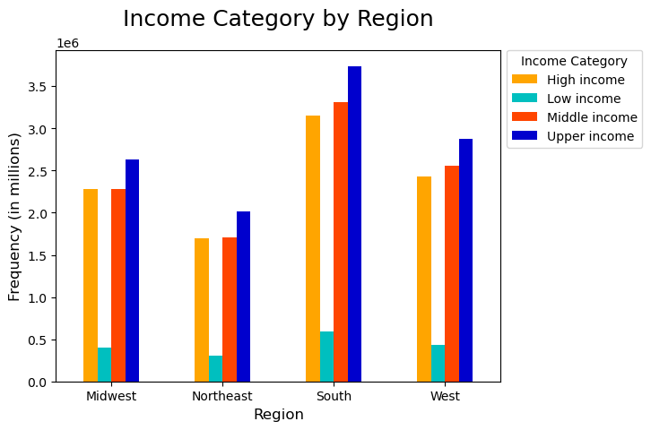
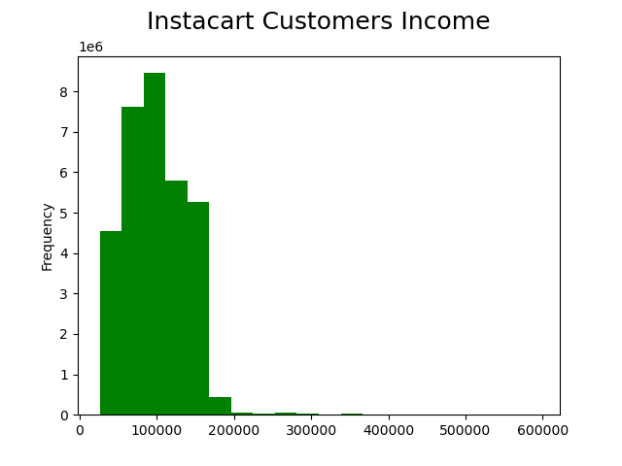
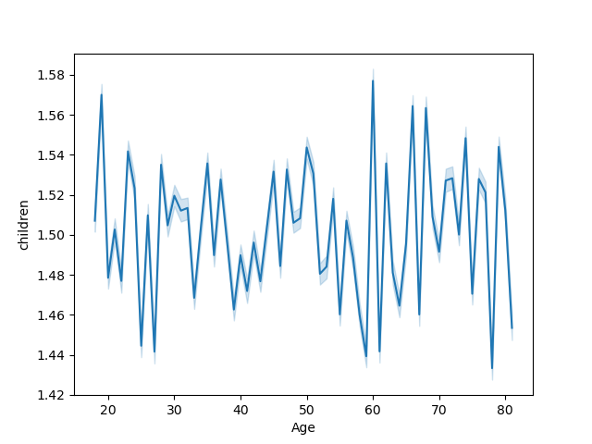
 |  |  |  |  |  | Title page

Visualisations

In this tab you should include all the visualtions from Exercises 4.9 and 4.10, alongside the questions from the project brief that they answer. Include any commentary on the relationship between different variables.

 | Question
 | 1. The sales team needs to know what the busiest days of the week and hours of the day are (i.e., the days and times with the most orders) in order to schedule ads at times when there are fewer orders
 |  |  | 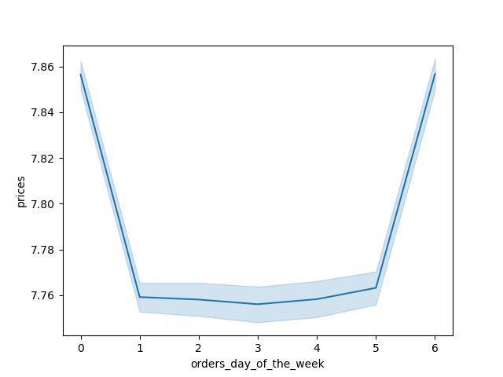 |  | 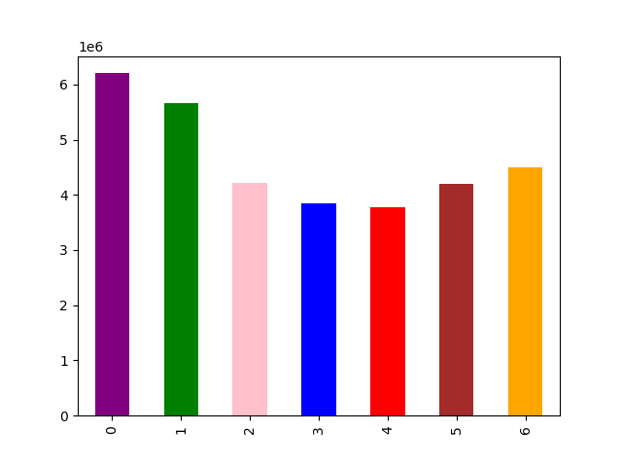
 | 2. They also want to know whether there are particular times of the day when people spend the most money, as this might inform the type of products they advertise at these times.
 | 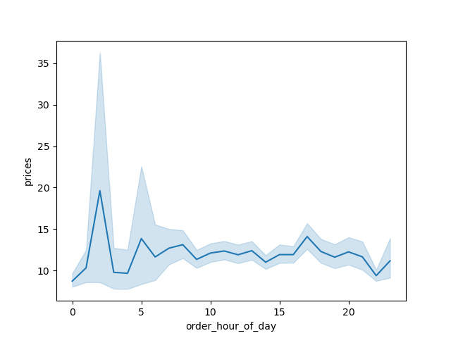
 | 3. Instacart has a lot of products with different price tags. Marketing and sales want to use simpler price range groupings to help direct their efforts.
 |  |  |  | 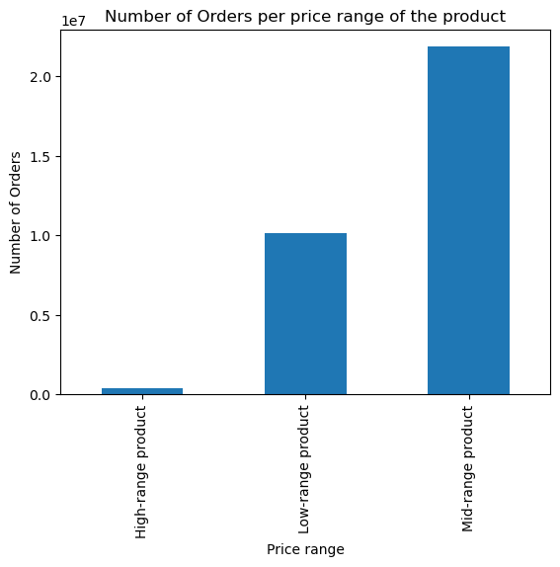
 | 4. Are there certain types of products that are more popular than others? The marketing and sales teams want to know which departments have the highest frequency of product orders.
 | 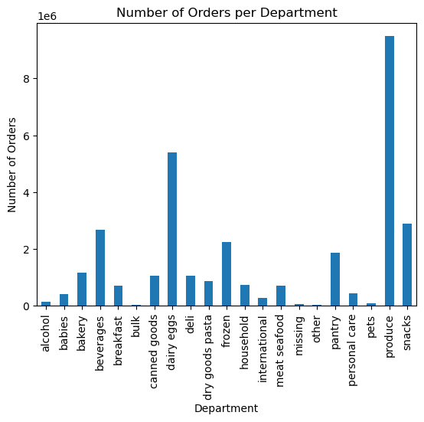
 | 5. What’s the distribution among users in regards to their brand loyalty (i.e., how often do they return to Instacart)?
 | 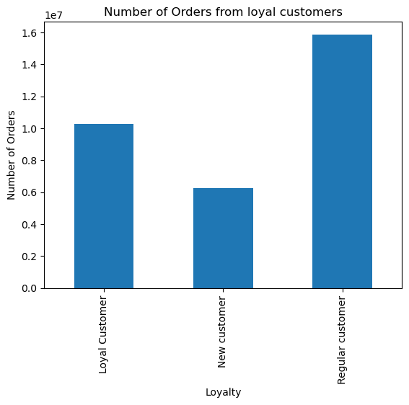 |  |  | 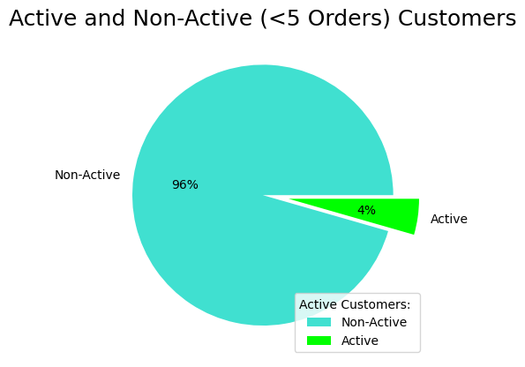

 | 6. Are there differences in ordering habits based on a customer’s region?
 | 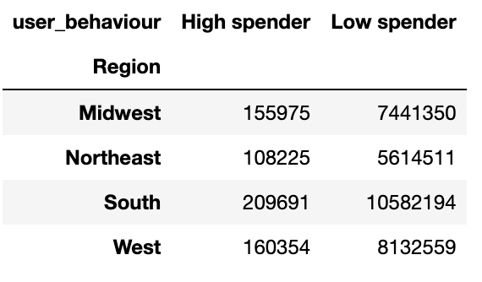 | 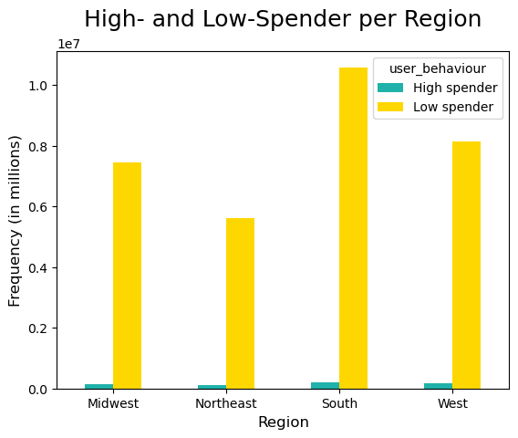
 | 7. Is there a connection between age in terms of ordering habits?
 | 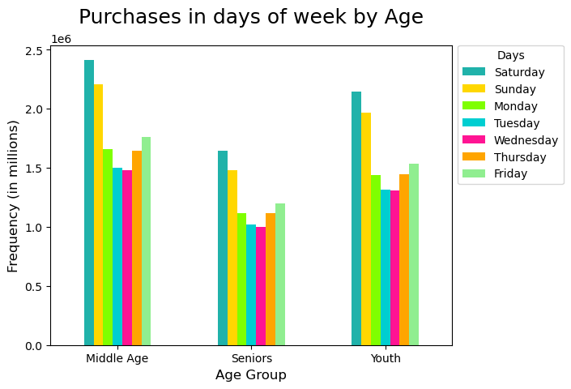

 | More Visualizations

7. Recommendations
 |  | Title page

Recommendations

In this tab you should include any recommendations you would made to Instcart in terms of their marketing strategy based on the questions posed in the brief. Every key question has been covered in the Tasks of the Exercises - here you need to add an item - a visualisation or table/crosstable that is showing the answer in the data, acompanied by a comment from you. Please, list the questions below and add the answer underneath.

Question | Answer
1. The sales team needs to know what the busiest days of the week and hours of the day are (i.e., the days and times with the most orders) in order to schedule ads at times when there are fewer orders
The busiest days of the week are the weekends; Saturday, Sunday and Friday. The busiest hour of the day for orders are between 10:00 am - 3:00 pm
2. They also want to know whether there are particular times of the day when people spend the most money, as this might inform the type of products they advertise at these times.
Average prices of ordered products are the highest at 3:00 am. Besides that they are pretty stable the rest of the day
3. Instacart has a lot of products with different price tags. Marketing and sales want to use simpler price range groupings to help direct their efforts.
The products got clustered corresponding to their prices as 'Low-Range', 'Mid-Range' and 'High-Range' product within the price-range flag
4. Are there certain types of products that are more popular than others? The marketing and sales teams want to know which departments have the highest frequency of product orders.
The most orders happen in the following departments: produce, dairy eggs, snacks beverages, frozen
5. What’s the distribution among users in regards to their brand loyalty (i.e., how often do they return to Instacart)?
The most orders come from regular Customers, but the loyal customers make already a respective amount of the total orders. Furthermore Instacart has also a lot of orders from new customers. Here it is important to use marketing ressources with retargeting campaigns to make them to loyal customers
6. Are there differences in ordering habits based on a customer’s region?
Most orders come from the Southand Mid-West. Most of the orders come from 'Low Spender'
7. Is there a connection between age in terms of ordering habits?
All age groups prefer to order on the Friday, Saturday and Sunday.

